Demographics
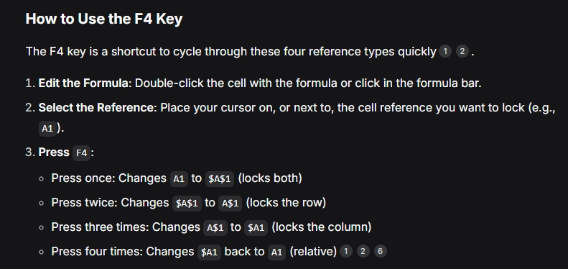
EmployeeID | FirstName | LastName | Full Name | Age | Gender | JobTitle | Salary | StartDate | EndDate | Email | 25
1001 | Jim | Halpert | Jim Halpert | 25 | Male | Salesman | $45,000.00 | 11/2/2001 | 9/6/2015 | Jim.Halpert@DunderMifflin.com | 38
1002 | Pam | Beasley | Pam Beasley | 30 | Female | Receptionist | $36,000.00 | 10/3/1999 | 10/10/2015 | Pam.Beasley@DunderMifflin.com | 31
1003 | Dwight | Schrute | Dwight Schrute | 29 | Male | Salesman | $63,000.00 | 7/4/2000 | 9/8/2017 | Dwight.Schrute@AOL.com
1004 | Angela | Martin | Angela Martin | 27 | Female | Accountant | $47,000.00 | 1/5/2000 | 12/3/2015 | Angela.Martin@DunderMifflin.com
1005 | Toby | Flenderson | Toby Flenderson | 32 | Male | HR | $50,000.00 | 5/6/2001 | 8/30/2017 | Toby.Flenderson@DunderMifflinCorporate.com
1006 | Michael | Scott | Michael Scott | 35 | Male | Regional Manager | $65,000.00 | 5/6/2001 | 9/11/2013 | Michael.Scott@DunderMifflin.com
1007 | Meredith | Palmer | Meredith Palmer | 32 | Female | Supplier Relations | $41,000.00 | 11/8/2003 | 9/11/2013 | Meredith.Palmer@Yahoo.com
1008 | Stanley | Hudson | Stanley Hudson | 38 | Male | Salesman | $48,000.00 | 6/9/2002 | 4/22/2015 | Stanley.Hudson@gmail.com
1009 | Kevin | Malone | Kevin Malone | 31 | Male | Accountant | $42,000.00 | 8/10/2003 | 4/22/2015 | Kevin.Malone@DunderMifflin.com

